Table 1
 |  |  |  |  | Inspection and Test Plan – Control and Supervision of the Works |  |  |  |  |  |  |  |  |  | Doc ID: FH-ZU2-QU-ITP015 Rev: 0
Principal’s: Melbourne Airport (APAM) |  |  |  |  |  |  | Contract No: CP14038 |  |  |  |  |  |  | Prepared By: Abdul Saad
Project: Taxiway Zulu 2.0 |  |  |  |  |  |  |  |  |  |  | Reviewed By: Faiyaaz Ahmed |  |  |  |  | Date: 02/09/2024
Construction Process: High Early Strength Lean Concrete |  |  |  |  |  |  |  |  |  |  | Approved By: Angela Julianto |  |  |  |  | Date: 04/09/2024
Specifications: ZULU-BECA-001-SPC-00002 - Revision C04 (07 June 2024)
Structure / Component: High Early Strength Lean Concrete

Lot No: |  | Lot Details: |  | Lot size/Quantity: |  |  |  |  |  |  |  |  | Date:

Item No. |  | Task/Activity Description | Inspection/Test |  |  |  |  |  |  |  |  | HP/ WP/ AP/IP/TP/ SCP | Responsibility |  | Checked by:
 |  |  | Frequency | Acceptance Criteria |  | Reference Documents |  | Inspection/ Test Method |  | Record of conformity |  |  |  |  | Principal’s Representative |  | Fulton Hogan | Date
1.0 |  | Preliminary Activities
1.1 |  | Check for correct documentation | Prior to commencing works | Current revision of drawings, technical specifications, permits as required for excavation and any other construction documentation is being utilised by Fulton Hogan and subcontractors. Current revisions of these documents to be obtained via Aconex or ACC. |  | Current Revisions in Aconex, ACC |  | Verify |  | This ITP signed |  | HP* | Project / Site Engineer
1.2 |  | Implementation of all measures and controls | Prior to commencing works | All necessary measures and controls are being implemented, that is: PSP, EMP, TMP, SWMS & WMS |  | PSP, EMP, TMP, SWMS, WMS |  | Visual Inspection |  | This ITP signed |  | HP* | Project / Site Engineer Site Supervisor
1.3 |  | Plant & Equipment Check | Prior to commencing works | Plant and equipment items used in the Works shall be appropriate for the intended purpose and shall be maintained in good and serviceable condition at all times during which they are operating. |  | Beca Spec 002 13.3 |  | Verify |  | This ITP signed |  | HP* | Project / Site Engineer Site Supervisor
2.0 |  | Production and Construction Trials
2.1 |  | Mix Design | Prior to works | Theoretical mix design and preliminary trial mix results to be submitted to the Principal’s Representative for review and acceptance prior to full trial mixing. |  | Beca Spec 002 13.5.1 |  | Verify |  | This ITP Signed / test reports |  | HP | Project / Site Engineer Principal’s Representative

2.2 |  | Mix Design Report | Prior to works | The theoretical mix design and preliminary trial mix results to be submitted not less than seven (7) working days prior to full trial mixing. |  | Beca Spec 002 13.5.2 |  | Verify |  | This ITP Signed / test reports |  | HP | Project / Site Engineer Principal’s Representative
2.3 |  | Mixer Uniformity Test | Prior to works | Mixer uniformity tests shall be undertaken on the fully operational mixing plant at least seven (7) days prior to undertaking production trial and submitted to the Principal’s Representative. |  | Beca Spec 002 13.6.1 |  | Verify |  | This ITP Signed |  | WP | Project / Site Engineer Principal’s Representative
2.4 |  | Production Trial | Prior to works | A production trial must be completed as per the requirements in the specification. The results and control procedures to be presented for review and approval by the Principal’s Representative. |  | Beca Spec 002 13.6.1 |  | Verify |  | This ITP Signed |  | HP | Project / Site Engineer Principal’s Representative
2.5 |  | Compliance | Prior to works | Provide evidence to Principal’s Representative of concrete supplier demonstrating compliance to AS 1379 or is a third party accredited to AS 1379. |  | Beca Spec 002 13.7 |  | Verify |  | This ITP signed / evidence documents |  | HP | Project / Site Engineer Principal’s Representative
3.0 |  | Pre-Placement Activities
3.3 |  | Surface preparation | Prior to works | The surface must be clean and inspected by the Principal’s Representative prior to placing. |  | Beca Spec 002 13.8.1.5 |  | Verify |  | This ITP signed |  | HP | Project / Site Engineer Principal’s Representative
3.4 |  | Weather Conditions | Prior to commencing works | HESLC shall not be placed when the shade temperature is below 5°C or above 35°C. |  | Beca Spec 002 13.15 |  | Verify |  | This ITP signed |  | HP* | Project / Site Engineer Site Supervisor
4.0 |  | Placing Concrete
4.1 |  | Place, Spread and Compact Concrete | After completion of works | Compaction of HESLC shall commence immediately after placing and shall be by internal vibration. |  | Beca Spec 002 13.10 |  | Verify |  | This ITP signed |  | IP | Project / Site Engineer
4.2 |  | Slump | 1 test every 2 trucks | 100mm +/- 20mm |  | Beca Spec 002 |  | AS 1012.3.1 |  | NATA Test Certificate |  | TP | Project / Site Engineer Laboratory Technician
4.3 |  | Temperature | 1 test every 2 trucks | Minimum 10°C Maximum 30°C |  | Beca Spec 002 13.15 |  | AS 1012.3.1 |  | NATA Test Certificate |  | TP | Project / Site Engineer Laboratory Technician
4.4 |  | Density of Cylinders | 6 cylinders per Lot (same cylinders used for compressive strength) | Results for information only. To be used to determine density of cores. |  | Beca Spec 002 13.17.3.6 |  | AS |  | NATA Test Certificate |  | TP | Project / Site Engineer Laboratory Technician
4.4 |  | Compressive Strength (7-day) | 4 cylinders per Lot (same cylinders used for Density) | Mean of the 4 cylinders to be minimum 10MPa and maximum 15MPa. |  | Beca Spec 002 13.5.1 13.17.3.6 |  | AS 1012.1 AS 1012.8 AS 1012.9 |  | NATA Test Certificate |  | TP | Project / Site Engineer Principal’s Representative
4.5 |  | Compressive Strength (28-day) | 2 cylinders per Lot (same cylinders used for Density) | Each sample to be minimum 20MPa. |  | Beca Spec 002 13.17.3.6 |  | AS 1012.1 AS 1012.8 AS 1012.9 |  | NATA Test Certificate |  | TP | Project / Site Engineer Principal’s Representative
5.0 |  | Post-Placement
5.1 |  | Construction Joints | Each Concrete Pour | At the end of the day’s works, the HESLC to be feathered out and cut back before work restarts to give a straight, vertical face for full depth of layer. Edges of construction joints shall be painted or sprayed with bituminous emulsion. |  | Beca Spec 002 13.11.1 |  | Verify |  | This ITP Signed |  | IP | Project / Site Engineer
5.2 |  | Saw Cut Joints | Each Concrete Pour | HESLC to be sawcut into maximum slab spacing of 5m x 5m. Where pavement width is less than 5m the spacing shall be reduced to obtain slab dimension ratio of maximum 1:1.25. Sawcut to be approximately one third of the layer depth. |  | Beca Spec 002 13.11.2 |  | Verify |  | This ITP Signed |  | IP | Project / Site Engineer
5.3 |  | Layer Thickness | Each Concrete Pour | Finished surface of the HESLC to be picked up by a surveyor to determine the thickness of the layer. |  | Beca Spec 002 13.17.3.4 |  | Verify |  | Survey Report |  | HP | Project / Site Engineer Principal’s Representative
5.4 |  | Core Analysis – Density | Refer to markup in notes section Aconex: BecaCPL- GCOR- 001038 | Cores shall be 120mm diameter. Calculate the field density by comparing the density of individual cores with the average density of four (4) compressive strength cylinders taken. Field density to be not less than 98%. If the density is less than 98% then a Hold Point to be raised for the nonconforming Lot. |  | Beca Spec 002 13.10.1 13.17.3.6 |  | AS 1012.12 |  | NATA Test Certificate |  | HP | Project / Site Engineer Principal’s Representative
5.5 |  | Testing Records | During works | Within three (3) weeks of completion of the Works, the Contractor shall supply two (2) copies of a report detailing the results of all quality control and testing undertaken. |  | Beca Spec 002 13.17.4 |  | Verify |  | This ITP Signed |  | HP | Project / Site Engineer Principal’s Representative
5.6 |  | Protection of Layer | Prior to placing subsequent layer | The Contractor shall protect the HESLC from damage until surface layers are placed. The layer shall not be covered by any further pavement layers under it has been accepted by the Principal’s Representative. |  | Beca Spec 002 13.16 |  | Verify |  | This ITP signed |  | HP | Project / Site Engineer Principal’s Representative
5.7 |  | Removal and Replacement of Defective Pavement Areas | After completion of works | If required, defective pavement areas shall be removed and replaced as specified herein with pavements of thickness and quality required by the specifications. |  | Beca Spec 002 13.13 |  | Verify |  | This ITP signed |  | HP | Project / Site Engineer Principal’s Representative
 |  |  |  |  | Inspection and Test Plan – Control and Supervision of the Works |  |  |  |  |  |  |  |  |  | Doc ID: FH-ZU2-QU-ITP015 Rev: 0
Principal’s: Melbourne Airport (APAM) |  |  |  |  |  |  | Contract No: CP14038 |  |  |  |  |  |  | Prepared By: Abdul Saad
Project: Taxiway Zulu 2.0 |  |  |  |  |  |  |  |  |  |  | Reviewed By: Faiyaaz Ahmed |  |  |  |  | Date: 02/09/2024
Construction Process: High Early Strength Lean Concrete |  |  |  |  |  |  |  |  |  |  | Approved By: Angela Julianto |  |  |  |  | Date: 04/09/2024
Specifications: ZULU-BECA-001-SPC-00002 - Revision C04 (07 June 2024)
Structure / Component: High Early Strength Lean Concrete

 | Final Inspection The signature below verifies that this ITP has been completed in accordance with the Fulton Hogan’s Quality \System Procedures and verifies lot compliance with specifications. Print Name: Position: Signature: Date: / /
Legend:
 | HP | Hold Point | Work shall not proceed past the HP until released by the Superintendent |  |  |  |  |  | IP | Inspection point |  |  | Formal Inspection to be done and recorded
 | HP* | Fulton Hogan Hold Point | Work shall not proceed past the HP* until released by Fulton Hogan |  |  |  |  |  | TP | Test Point |  |  | Product compliance test to be undertaken and recorded/reported
 | WP | Witness Point | An inspection which must be witnessed by the Superintendent |  |  |  |  |  | SCP | Survey conformance point |  |  | A qualified surveyor to check product/section/structure and report
 | AP | Approval Point | Written or verbal approval given by the Superintendent

 | 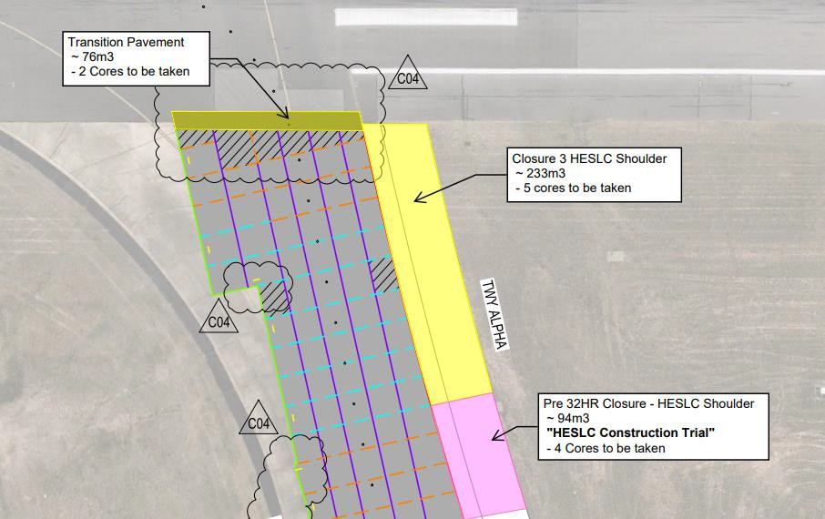 Notes

